Dashboard
Customers Age
35 | 43
40 | 146
45 | 196
50 | 310
55 | 392
60 | 293
65 | 241
70 | 251
75 | 229
80 | 112
85 | 23
86+ | 4
Response Values against Education
 | 0 | 1
2n Cycle | 181 | 22
Basic | 52 | 2
Graduation | 975 | 152
Master | 313 | 57
PhD | 385 | 101
Response Values against Marital Status
 | 0 | 1
Divorced | 184 | 48
Married | 766 | 98
Single | 378 | 109
Together | 520 | 60
Widow | 58 | 19
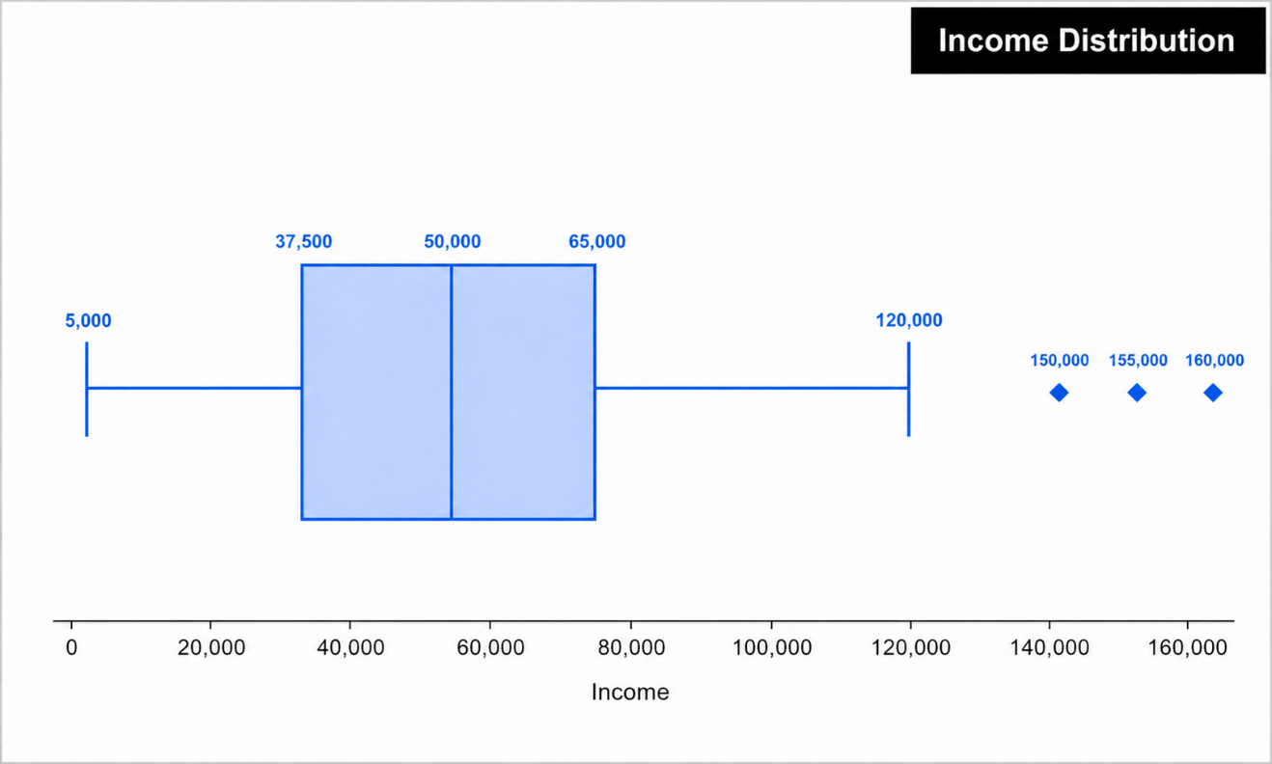
 |  |  |  |  |  |  |  |  |  |  |  |  | Total number of Enrolments / year
 | Total
2012 | 494
2013 | 1189
2014 | 557

 |  |  |  |  |  |  |  |  |  |  |  |  | Didn't Responsed
 |  |  |  |  |  |  |  |  |  |  |  |  | Responsed

 |  |  |  |  |  |  |  |  |  |  |  |  | Dashboard Overview This dashboard provides an analytical overview of customer demographics, income distribution, enrollment trends, and campaign response behavior. It highlights customer age patterns, income spread, yearly enrollments, and response rates segmented by education and marital status to support data-driven marketing decisions and customer targeting strategies.

 | Recency | Mnt Wines | Mnt Fruits | Mnt Meat | Mnt Fish | Mnt Sweet | Mnt Gold | #Deals Purchases | #Web Purchases | #Catalog Purchases | #Store Purchases | #Web Visits Month
Mean | 49.10938 | 303.93571 | 26.30223 | 166.95000 | 37.52545 | 27.06295 | 44.02188 | 2.32500 | 4.08482 | 2.66205 | 5.79018 | 5.31652
Standard Error | 0.61194 | 7.11192 | 0.84037 | 4.76911 | 1.15425 | 0.87221 | 1.10224 | 0.04083 | 0.05871 | 0.06176 | 0.06869 | 0.05127
Median | 49 | 173.5 | 8 | 67 | 12 | 8 | 24 | 2 | 4 | 2 | 5 | 6
Mode | 56 | 2 | 0 | 7 | 0 | 0 | 1 | 1 | 2 | 0 | 3 | 7
Standard Deviation | 28.96245 | 336.59739 | 39.77343 | 225.71537 | 54.62898 | 41.28050 | 52.16744 | 1.93224 | 2.77871 | 2.92310 | 3.25096 | 2.42665
Sample Variance | 838.82367 | 113297.80471 | 1581.92603 | 50947.42939 | 2984.32539 | 1704.07956 | 2721.44168 | 3.73354 | 7.72125 | 8.54452 | 10.56873 | 5.88861
Kurtosis | -1.20190 | 0.59874 | 4.05098 | 5.51672 | 3.09646 | 4.37655 | 3.55171 | 8.93691 | 5.70313 | 8.04744 | -0.62205 | 1.82161
Skewness | -0.00199 | 1.17577 | 2.10206 | 2.08323 | 1.91977 | 2.13608 | 1.88611 | 2.41857 | 1.38279 | 1.88099 | 0.70224 | 0.20793
Range | 99 | 1493 | 199 | 1725 | 259 | 263 | 362 | 15 | 27 | 28 | 13 | 20
Minimum | 0 | 0 | 0 | 0 | 0 | 0 | 0 | 0 | 0 | 0 | 0 | 0
Maximum | 99 | 1493 | 199 | 1725 | 259 | 263 | 362 | 15 | 27 | 28 | 13 | 20
Sum | 110005 | 680816 | 58917 | 373968 | 84057 | 60621 | 98609 | 5208 | 9150 | 5963 | 12970 | 11909
Count | 2240 | 2240 | 2240 | 2240 | 2240 | 2240 | 2240 | 2240 | 2240 | 2240 | 2240 | 2240

